Vulnerabilities(Team4)
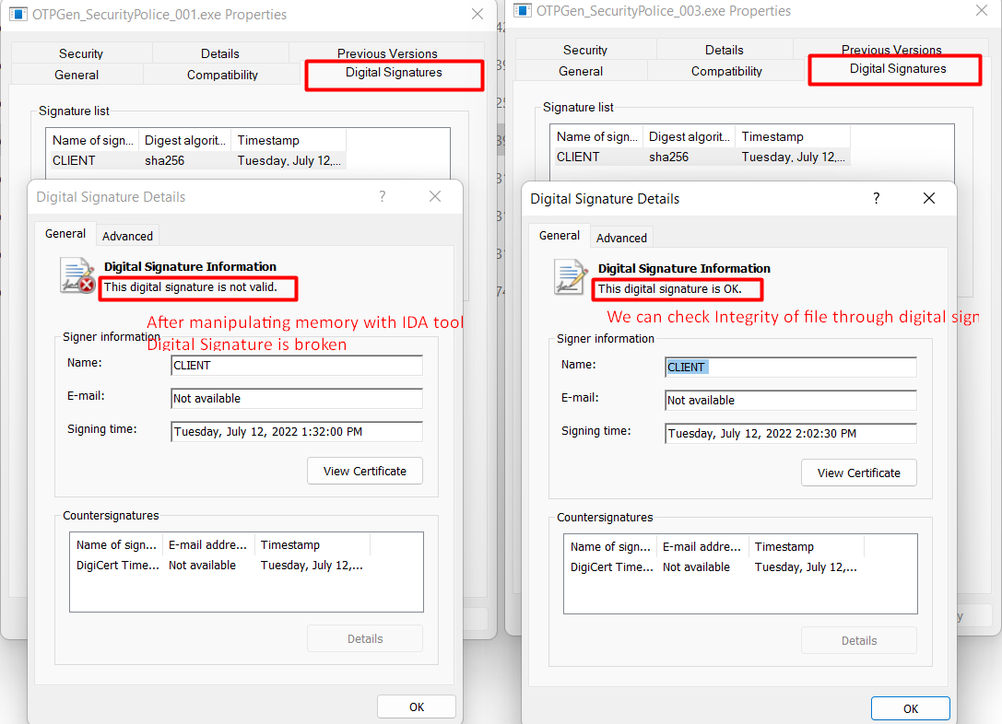
VID | Summary | Description | Approach | Location | Perceived impact | CIA | Impact (CVSS Score) | Recommended Mitigations | Reproduce Step(POC)
V01 | Existence of backdoor in code Success Log-In by insert specific ID/PW(BackDoor Log-In) | System BackDoor Code: System BackDoor Code is found through code review. If a specific value is entered as ID/PW regardless of ID/PW, system log-in is possible without OTP knowledge. -> Login can be successful If input 3935443661837647579 in ID and the divisible value of 3935443661837647579(1324523323 or 2971215073 + Aa!) in PW with any OTP(6 numbers) -> However, PW/OTP must be made according to the PW/OTP rules. (Example: PW: 1324523323Aa! - [number + capital letter + small letter + special characters], OTP: 111111 - 6 numbers) | Code Review | Server/ server.cpp #409 | If a specific value is entered as ID/PW, system LogIn is possible without knowing ID/PW/OTP. | [CONFIDENTIALITY] | HIGH(7.6) | Delete BackDoor code. | [Precondition] xxxxx 1. Confirm Log-In BackDoor value in sever.cpp “3935443661837647579” 2. Find the divisible value of 3935443661837647579 to confirm P/W. -> P/W = 1324523323 or 2971215073 3. Enter ID and PW/OTP according to the making rules. ID(3935443661837647579), PW(1324523323 or 2971215073 + Aa!), OTP(111111) 4. Try Log-In 5. Confirm successful Log-In 4. Finally we have successfully Log-In.
V02 | Infer to password of each account easily Infer to password through tinkering methodology and success to authentication | userId = "SecurityPolice_006" password = "4979f8a2e2bf4de925abca4244ce52328d4ee160851d8c7f7149375da6c14407" otpKey = "SecurityPolice_006ZLgeZ4BestX006" [Infer to password through Social Engineering methology and success to authenfication] SecurityPolice_001 / !rlaskatjrS4Best /김남석 SecurityPolice_002 / !rlatjddmsS4Best / 김성은 SecurityPolice_003 / !rlacndfoS4Best / 김충래 SecurityPolice_004 / !djawldndS4Best / 엄지웅 SecurityPolice_005 / !chlwjdghS4Best / 최정호 SecurityPolice_006 / !dlwormsS4Best / 이재근 Background : DB is not exposed to us and we can't modify and access to DB Through Social Engineeing methology, It is easy to infer their password, iI is very dangerous in this password related personal information Consequently user account was stolen easily and misused it in the near future | Tinkering | ID/PW Input UI | It is easy to infer their password, it is very dangerous in this password. Consequently user account was stolen easily and misused it in the near future | [CONFIDENTIALITY] | Medium(5.5) | Make password not including related personal information not to infer password. | we inferred to password through social engineering As a result of inference, we can input the candidate password and check it whether login success or not 1. In case of target server environment, we can't access to DB and modify it because server is made of console server and not designed to add account in DB 2. We can't see credential information in DB however only know one person information 3. We knew name of team4 members so we tried to social engineering methodology 4. We have entered their password as his name related 5. As a result, we checked to match the password 6. It is easy to infer their password, it is very dangerous in this password
V03 | Included dangerous logic when checked authentication Insecure logic is used and it is so dangerour to feed exploitation. | There are insecure logic and dangerous string in code. 1) admin is exposed as string in code - admin ID : "SecurityPolice_Admin" --> included in code 2) Insecure logic is used and it is so dangerour to feed exploitation. code snippet: if (isAdmin(accountReqest.userId)) { return true; } | Code Review | Server/ server.cpp #230 | Insecure code may be fed to exploit and success to login without normal authentication. | [CONFIDENTIALITY] | Medium(4.2) | Delete unnecessary and insecure code | we can see the dangerous code and it may be used to exploit with reverse engineering. 1. In case of target server environment, we can't access to DB and modify it because server is made of console server and not designed to add account in DB 2. We can't see credential information in DB however only know one person information 3. We knew name of team4 members so we tried to social engineering methodology 4. We have entered their password as his name related 5. As a result, we checked to match the password 6. It is easy to infer their password, it is very dangerous in this password
V04 | Service attack by “Divided by Zero” Server crashed when logged in with password “Zero Value’’ | We can find this issue throw the Coverity Tool(Static Analysis) So if we enter the ID(BackDoor Code) and PW(Zero valu), that occurs Divide by Zero | Static Analysis | File: server.cpp Line: 421 | Denial of Service. Server terminated | [AVAILABILITY] | Medium(6.5) | Remove Backdoor Code | The attacker obtained the server's code through reverse engineering, etc. 1. Confirm Log-In BackDoor value in sever.cpp “3935443661837647579” 2. Enter ID and PW(with Zero value)/OTP according to the making rules. ID(3935443661837647579), PW(000000 + Aa!), OTP(111111) 3. Try to Log-In
V05 | Authentication could be skipped in User Credential(PW) and 2FA(OTP) on server side through manipulating memory with IDA tool. | Authentication could be skipped in User Credential(PW) and 2FA(OTP) on server side through manipulating memory with IDA tool. - precondition : PW and OTP values should entered according to the criteria(regex, length) - Each OTPGen matched in account is manipulated whatever you want. | Reverse Engineering | server.exe | Authenfication (2FA, Crudential) could be skipped without progress on normal authentification Set the return value as TRUE processed after some condition by IDA tool. | [INTEGRITY] [CONFIDENTIALITY] | Medium(6.3) | Apply the digital sign for server.exe file. if occur corrupt memory, we can recognize failure to integrity | Program could be manipulated through IDA First we find out related authentication code and then change the return value to TRUE Server can't validate authentication correctly and passed it. 0. we received server binary file by insider threat 1. open the server.exe with IDA tool 2. changed memory data related authentication return address 3. overwrite the server file
V06 | Tampering configuration file(server-conf.json) | When the server starts, the configuration is performed by reading the server-conf.json file. When reading the server-conf.json file, there is no logic to detect the change. Therefore, if you enable debug by changing server-conf.json, user id, pw, and otp are output to the server log. | Design Review Code Reveiw | server.cpp server-conf.json | 1. Attacker could gather user's ID, PW and OTP. There could be used another session. 2. sensitive information is revealed in log prin | [CONFIDENTIALITY] | Medium(5.6) | Delete unnecessary and insecure code change the code not to use configuration file to debug | After manipulating some configuration in file, we can see sensitive information in log printing Precondition: Attacker know the IP and PORT. 1. insert a function to run(need to assembly code) { stream.open(conf_path); stream >> json_obj; json_obj["debug"] = TRUE; stream.close(); // write updated json object to file m_file.open(conf_path, std::ios::out); m_file << json_obj.toStyledString() << std::endl; m_file.close(); } 2. "debug": 1 is added to server-conf.json file. 3. SW read and apply the server-conf.json to configuration (The debug is enabled) 4. Get the user ID, PW and OTP from log when user insert.
V07 | Sensitive data is exposed in plain text Private key and encryption key files are exposed in plaintext. | The client and server each store their keys locally for encryption and TLS. However, no protection is applied to these keys and they are exposed in plaintext. Private keys and encryption keys are stored in their respective local storages on the client and server. However, if the data in the storage is leaked to the outside due to administrator's negligence, hacking attack or malware, physical theft etc., The keys may be exposed in plaintext and may be misused, which can lead to serious security risks. * NOTE : This vulnerability was discovered at the time of initial submission by team 4. However, it has been fixed with an additional patch after the submission deadline. | Design Review Code Reveiw | keys/client/client.key keys/server/server.key keys/encKey/* | The client and server perform TLS communication and mutual authentication through their own certificate, private key, and trusted CA chain. If an attacker can steal the certificate and private key, they can try various attacks through spoofing. For example, the attacker can spoof the server by using the server's key they stole and they can collect the ID/password of officers from the client. The server is protecting the db using an encryption key. If an attacker does not know the encryption key, they cannot know the contents of the db, but if they know the key, they can decrypt db and collect information. | [CONFIDENTIALITY] | Medium(6.0) | Important keys used for TLS communication and encryption should be stored in the HSM or encrypted. | 1.I checked all the keys used on the client and server. - “client.key” is a client’s private key for TLS and “server.key” is for server. 2.Checked client.key and found that the key is pem format with plaintext. 3.Found that server.key is plaintext also 4.Found that although names of encryption keys are enc, they are actually made up of plaintext. 5.If an attacker can access the local storage and collect the key files,the attacker can spoof the client or server and decrypt the db file. So it is a vulnerability.
V08 | Retrieved information is exposed in plaintext. | The client stores retrieved vehicle information to file. However, no protection is applied to these information and they are exposed in plaintext. The retrieved vehicle information is stored in local storage on the client. However, if the data in the storage is leaked to the outside due to officer's negligence, hacking attack or malware, physical theft etc., the retrieved information may be exposed in plaintext and may be misused. NOTE : This vulnerability was discovered at the time of initial submission by team 4. However, it has been fixed with an additional patch after the submission deadline. | Design Review Code Reveiw | alert.log | The retrieved vehicle information contains the vehicle that is stolen, the owner is wanted (criminal), or if it is a vehicle of interest (expired registration, unpaid tickets, owner is missing). Such sensitive personal information can be very useful to certain attackers. | [CONFIDENTIALITY] | Low(3.3) | The retrieved information should be encrypted. | Retrieved vehicle information is stored as “alert.log” in the client's local storage. It represents the user's sensitive information, including the plate number, name and address. Therefore, it can be a security threat if leaked.
V09 | The server prints sensitive data to the console The server prints all request/response data including user password to the console. | The server prints officer's ID, password, otp and retrieved vehicle information to the console. If the attacker succeeded in checking the output of the server console (for example, malware is installed on the server that periodically takes screenshots and sends it to the attacker's server), the attacker could easily obtain confidential information. NOTE : This vulnerability was discovered at the time of initial submission by team 4. However, it has been fixed with an additional patch after the submission deadline. | Code Review | Server/ server.cpp #251, #331, #505 | Confidential information such as the officer's ID, password, and vehicle information is leaked. | [CONFIDENTIALITY] | Medium(4.0) | The server should not print any important information to the console. | During source code review, I found that the server prints all request/response data including user password to the console. 1) server.cpp #251 : it prints response of log in 2) server.cpp #331 : it prints ALL outgoing responses 3) server.cpp #505 : it prints response that contains vehicle information 4) found that user id, password, otp are printed to the console when user logs in. Found that retrieved vehicle information is printed to the console when the server has successfully processed the client's vehicle inquiry request. If the attacker succeeded in checking the output of the server console (for example, malware is installed on the server that periodically takes screenshots and sends it to the attacker's server), the attacker could easily obtain confidential information. So it is a vulnerability.
V10 | Password input via the keyboard is not protected. | In general, user input via the keyboard is not protected. Therefore, if a keylogger is installed without the user's knowledge and is logging input, an attacker can find out the ID and password. | Design Review Code Review | Client/ lgofficerDlg.cpp #272 | The officer's ID, password can be leaked. | [CONFIDENTIALITY] | Medium(4.4) | Provide a virtual keypad that changes the layout of the keyboard every time it is executed. | [Precondition] An attacker succeeds in installing a keylogger to the target device. The keylogger logs all input of the user and sends it to the attacker’s server. 1. The officer attempts to log in from the client application. 2. The data that the officer just typed on the keyboard is logged by the keylogger. 3. The log including user’s ID, password, otp will be sent to the attacker’s server 4. The attacker analyzes the log and extracts the user ID and password
V11 | Execution Files are not digital signed for integrity Files(server and client) are not digital signed for integrity. Binary would be target for reverse engineering and maybe changed the memory map. | Files(server and client) are not digital signed for integrity. Binary would be target for reverse engineering and maybe changed the memory map. | Reverse Engineering | server.exe lgofficer.exe | File could be modified without anyone knowing. User just use program without validation | [INTEGRITY] | Medium(6.0) | It is necessary to digital sign with your certification for PE binary (exe, dll) | 1. Signed file with signtool with private key 2. See the digital sign tab and sign is validation 3. Check to work normally 4. Manipulate the memory map in binary file 5. You can see that digital sign is not valid 6. We can check whether file is changed or not through result of sign validation
V12 | Tampering configuration file(client-conf.json) | The client has a configuration file(client-conf.json) containing the IP address of the target server and the location of the CA certificates to be used for server authentication. The configuration file is exposed in plain text, and if an attacker has access to the file, it is vulnerable to malicious modification. | Design Review Code Reveiw | client-conf.json | Any changes to the configuration file make the server vulnerable to spoofing. If the attacker succeeds in spoofing the server, the officer will try to log in by sending the ID and password to the attacker's server. In this case, the officer's password may be leaked. | [INTEGRITY] | Medium(4.0) | The configuration file should be digitally signed to ensure its integrity. | [Precondition] An attacker has gained write access to the configuration file. Attacker's server information - ip : 69.219.73.92 - CA cert : attacker_ca.crt - cert : attacker.crt - private key : attacker.key 1. open client-conf.json file 2. change the "server_ip" to attaker server's ip (69.219.73.92) 3. change the "ca_cert_path" to attacker's ca path (keys/ca/attacker.crt) 4. push the attacker's ca file in the keys/ca/ path of the target storage. 5. The officer did not notice this attack and runs the client application and logs in as usual. 6. The officer's ID, password will be sent to the attacker's server
V13 | Tampering server DB | DB might use Oracle DB. The API is opened. Can modify or delete using open API. | Design Review Code Reveiw | server.cpp #377 | DB file has not to update by server.exe code. Update DB scenario is not existed. | [INTEGRITY] | Medium(4.4) | Database has to be set to read only because the DB update scenario is not exist | When I insert the "ID : SecurityPolice_006"'s PW and OTP correctly, login is failed. Because I removed the "ID : SecurityPolice_006" account in DB. The licenseplate.DB could be modified or deleted.

PnG
PowerPoint Presentation

PnG

We found 4 PnGs from our project.


PnG 1 | Type | Criminal organization
 | Goal | Stealing or destroying components of the system
 | Motivation | Using in crime
 | Skill | Physical power and ability to use various equipment knowledge of place and system
 | Misuse case | By physically destroying the system, the system no longer works Steal the system(equipments) containing the information
PnG 2 | Type | Internal Engineer
 | Goal | Exporting inside information and selling it for money outside
 | Motivation | Monetary gain
 | Skill | Access to infrastructure Exporting inside information Negotiation skills with people who need inside information
 | Misuse case | Disclose administrator’s ID/Password or required information to the buyer Export important information
PnG 3 | Type | Hacker
 | Goal | Post the achievements of hacking on the internet
 | Motivation | For recognition and laughs
 | Skill | Extensive knowledge of network protocols and hacking program.
 | Misuse case | Sniff the communication channel between server and client to get user credential data. The system cannot operate any more by DDos attack
PnG 4 | Type | Hacker hired by criminal groups
 | Goal | Tampering information of the system
 | Motivation | Monetary gain
 | Skill | Extensive knowledge of network protocols and hacking program.
 | Misuse case | Access the system and tamper with information. Sniff the communication channel between server and client to get user credential data.

프로젝트 발표 요구사항
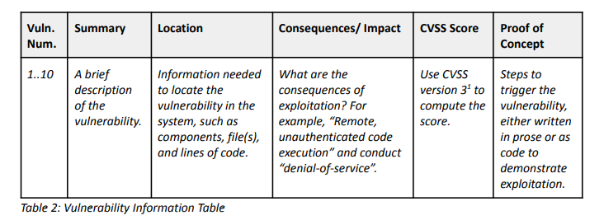
 | 6/28 공지사항 (by 캔버스, 메일)
1 | 프레젠테이션에 대한 기대치와 관련하여 수업에 제출해야 하는 세 가지 사항이 있습니다. 프로젝트 아티팩트: 1단계에서 생성된 모든 아티팩트는 평가 팀으로 전환되어야 합니다. 일을 단순화하려면 모든 전환 아티팩트를 전환에 적합한 공개 GitHub 리포지토리로 구성(fresh repository로 제공)해야 합니다. 이 리포지토리에는 다음이 포함되어야 합니다. - 시스템의 소스 코드(프로덕션 코드와 테스트 모두). - 설계 및 요구 사항 아티팩트와 같은 모든 관련 프로젝트 문서. - 시스템 구축 및 실행 방법에 대한 지침이 포함된 개발자 가이드(README 파일이라고도 함). - 평가 팀이 프로젝트에 대해 질문하는 데 사용할 연락처 이메일 주소입니다. 1단계 아티팩트에 대한 보다 광범위한 정보는 Canvas에 게시된 프로젝트 설명 문서에 나열되어 있습니다. 전환 리포지토리를 만든 후에는 리포지토리 URL을 jgennari@andrew.cmu.edu로 Jeff에게 직접 이메일로 보내야 합니다. 또한 초기 결함 목록을 제출해야 하며 이 목록을 공개 리포지토리에 포함하지 마십시오. Canvas에서 1단계 재료 제출이라는 과제로 사용할 수 있는 시드된 결함 목록에 대한 제출 링크가 있습니다. 이 모든 자료는 2022년 7월 5일 오후 11시 59분까지 제출해야 합니다. 1단계 프레젠테이션: 팀은 시스템의 설계 및 구현을 요약하는 프레젠테이션을 준비해야 합니다. 각 팀은 10분의 발표 시간과 5분의 질문 시간이 주어집니다. 시간이 얼마인지 참고하시기 바랍니다. 이 프레젠테이션은 시스템과 작동 방식에 대한 간략한 개요여야 합니다. 프레젠테이션을 시작하기 전에 코스 직원이 보안 평가 팀 할당을 발표할 것입니다. 과제가 알려진 상태에서 평가 팀은 평가 중인 팀에 프레젠테이션 후 질문의 대부분을 할 것으로 예상합니다.
3 | 다음주 월에는 CMU 쉬는날이 있어서 Live Meeting 수/목/금으로 진행
 | 6/29 공지사항 (by 캔버스, 메일)
2 | [안내] Git Repositry 주소는 구글드라이브 링크로 조별로 칸에 채울 수 있도록 제공함 (https://docs.google.com/document/d/1fkn5OoVzcIHEnNisl6-yITz9gXT9rSzwtrkLsd3RNkA/edit) (commit message가 없는 fresh한 깃허브 주소에 코드 및 개발 아티팩트를 포함한 모든 산출물 제공 필요)
3

 | ~7/5(화) 퇴근전까지 1. Vulnerblilties 11가지 정리된 것 확인 - 실제 서버/클라이언트 코드에 Vulernablity 반영 - CVSS스코어 및 코드위치 추가 ==> 김진환 =>서버: 하민용, 박다운, 이상욱 / 클라이언트 : 임대웅 2. 시스템 소스코드 정리 및 셋업 문서 정리 - 구축/실행 방법 및 지침가이드 작성(Readme파일) =>서버: 하민용, 박다운, 이상욱 / 클라이언트 : 임대웅 3. 설계 및 요구사항 프로젝트 Phase#1 통합문서 작성 (제출과제) =>오종수, 김진환 4. git repository 새로하나 만들기 ==>이상욱 - 위 사항들 모두 정리되면 폴더구성해서 한번에 Push - git주소 공유페이지에 주소 추가 5. 평가팀 프로젝트 문의 대표 연락처 (서버: 박다운 , 클라이언트: 임대웅) 6. TC작성 ==> 김진환 (코드리뷰는 개발담당자가 스크린샷줄것)

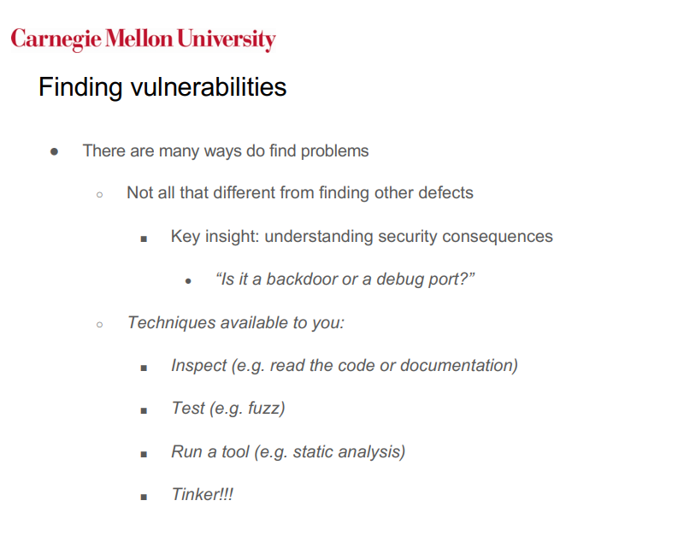
 | [2단계: 평가] 발표: 7/14(목) 8:30, 제출 : ~TBD 보안 문제가 간과되지 않도록 프로젝트를 교환하여 생성된 아티팩트에 대한 엄격한 보안 평가를 수행합니다. 이 평가의 목표는 원래 개발 팀에 보안 권장 사항을 만들 수 있도록 완료된 아티팩트의 모든 취약성을 식별하는 것입니다. 이것은 단계 하나와 완전히 다른 프로젝트입니다. 따라서 작업을 수행하기 위해 팀을 재구성해야합니다. 새 팀 조직은 프로젝트의 2 단계가 시작되는 즉시 멘토에게 제시되어야 합니다. > 정적분석 : > 코드/문서 인스펙션 : > Fuzz Test , Other Defecting Tool : > 보안평가보고서 작성 : > 발표자료 > 리뷰 : 동의 .Static analysis: 박다운, 임대웅, 하민용 .Code/Document Inspection: 하민용 임대웅, 오종수, 김진환 . Fuzz Test , Other Defecting Tool : 이상욱, 김진환 . Security evaluation report preparation: ALL . Presentation/Evaluation Report material: ALL . Peer Review: ALL 결과물 이 프로젝트의 기본 결과물은 보안 평가 보고서입니다. 보고서에는 다음 섹션이 포함되어야 합니다. 1. 요약 :이 요약은 평가의 주요 결과를 요약해야합니다. 2. 평가 제약 조건: 평가 수행 방법을 결정할 때 완화 요소가 고려된 경우 어떤 요소가 고려되었습니다. 3. 평가 설명: 이 섹션에서는 체계적이고 이해하기 쉬운 방식으로 수행되는 보안 평가 활동을 자세히 설명해야 합니다. 특히, 어떻게 했습니까? a. 평가할 요소 결정 b. 보안 평가 기술을 선택합니다. 어떤 기술이 선택되었으며 그 이유는 무엇입니까? c. 결과를 확인하고 발견된 문제의 우선 순위를 지정합니다. 이 섹션은 독자가 보안 평가에 어떻게 접근했는지에 대한 명확한 근거를 남겨 두어야합니다. 4. 결과, 결론 및 권장 사항: 평가 결과 및 모든 지원 데이터는 실행 가능한 용어로 설명됩니다. 또한 보안 향상을 위해 개발 팀에 대한 일련의 권장 사항을 설명해야 합니다. 취약점 주입 및 점수 매기기 프로젝트의 첫 번째 단계에서 개발 팀은 의도적으로 10가지 보안 결함을 시스템에 주입해야 합니다. 결함은 설계 또는 구현 문제일 수 있지만 각 버그에는 명확한 보안 결과가 있어야 합니다(아래 참조). 이 10가지 결함은 개발팀에서 비밀로 해야 합니다. 과정이 끝나면 개발 팀과 평가 팀은 다음 규칙에 따라 점수 체계로 평가됩니다. ● 프로젝트의 보안 평가 중에 발견된 각 시드 취약점은 시스템을 평가하는 팀에 10점의 가치가 있습니다. ● 보안 평가 중 발견되지 않은 시드 취약점은 시스템 개발팀에 10점씩 부여됩니다. ● 멘토가 시드된 취약점이 유효하지 않다고 결정하면 개발 팀은 10점(취약점당)의 벌점을 받습니다. ● 평가팀이 개발팀에서 시드하지 않았지만 교수진이 실제 취약점으로 판단한 취약점을 발견하면 10점(취약점당) 벌점 받습니다. 과정이 끝나면 총점을 계산하고 프로젝트 챔피언을 선언합니다. 동점일 경우, 코스 멘토는 동점에 관련된 팀의 챔피언에 투표합니다. 취약점 정보 테이블 시드된 결함 목록은 개발 팀에서 비밀로 유지해야 하며 Canvas를 통해 팀 멘토와만 공유해야 합니다. 특히, 팀은 취약점 정보 표(아래 참조)를 작성하여 제출해야 합니다. 마찬가지로 평가 팀은 발견된 문제에 대한 점수를 받기 위해 발견된 각 취약점에 대해 동일한 취약점 정보 표를 작성해야 합니다. 시드 및 발견된 취약점은 유효하고 Exploit 가능해야 합니다. 즉, 시드된 문제가 실제로 위협이 아닌 것으로 판명되거나 평가 팀이 실제로 취약성을 트리거할 방법이 없는 경우 개발 팀은 해당 취약성에 대한 점수를 몰수합니다. 취약점 정보 표 평가 중에 발견된 모든 발견된 취약

Mentoring
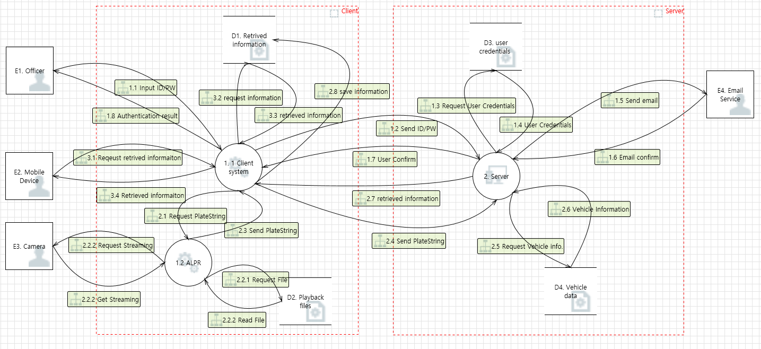
No. | Question | Answer
1 | I want to know what focus on security point in our project DFD | 2 factor 인증, information back and front.
2 | Let me know what is the security hole in our client system internally. and also server side How we mitigate in our each side? | Focus: Asset, Interface between Server & client. Playback File - don't worry about it. In Trust boundary - don't worry.
3 | Now I only kenw abstraction something for security mitigation (ex simply TLS, HASH, openSSL etc) Let me know how to apply mitigate method actually for our project scenario
4 | Threat could be scenario base? When we decribe the threat using scenario base, several category and mitigations are bringed for one threat. Need to devide per category and mitigation? | Possible. Several Threats are mitigated one or more. If the priority of threat is high, related mitigation is also high
5 | Need to SW architecture that is include the SW Component and which method will be applied | Ok.
6 | Do we need to apply ACLs to our project? In a given scenario, only Officer and law enforcement are specified. Do we need to set permissions for these two or we need to set additional user (For example, server administrator) ?
7 | There are several constraints in current our development environment. For example, in our current development environment, the DB for vehicle information is already fixed, so we did not consider deleting, modifying, or adding DBs from outsiders. My question is we consider environmental constraints from DFD in threat Modeling ? or it should be considered during the next stage? | DB on Server - We don't need to protect this..( It's already in secure place)
8 | Can you give us some advice on how to protect the keys to be used on the server or the client?

No | Description | Review
1 | How much exploit should I do to get a score of defect? (if too difficult to prone, Can I answer with practical content theoretically? ) Private Key가 로컬에 평문에 저장되어있는데... 우리가 탈취되었다고 가정하고 진행해도 되는지? 아님 키를 얻기 위한 Explioit방법부터 진행되어야 하는지? 공격자가 모든걸 가지고 있다고 생각하고 exploit 하는게 맞는냐?
2 | Introduce free/useful static analysis tools about MSVC Compiler C++ ref. My target team code made by c++/MFC (MSVC compiler) | cpp checker, code sonar (free trial) coverity (online ), parasoft
3 | What are the roles for carrying out the Phase #2 project? please advise for us - How about below? if another need job&role? [Role] .Static analysis: xxx .Code/Document Inspection: xxx . Fuzz Test , Other Defecting Tool : xxx . Security evaluation report preparation: xxx . Presentation/Evaluation Report material: ALL . Peer Review: ALL
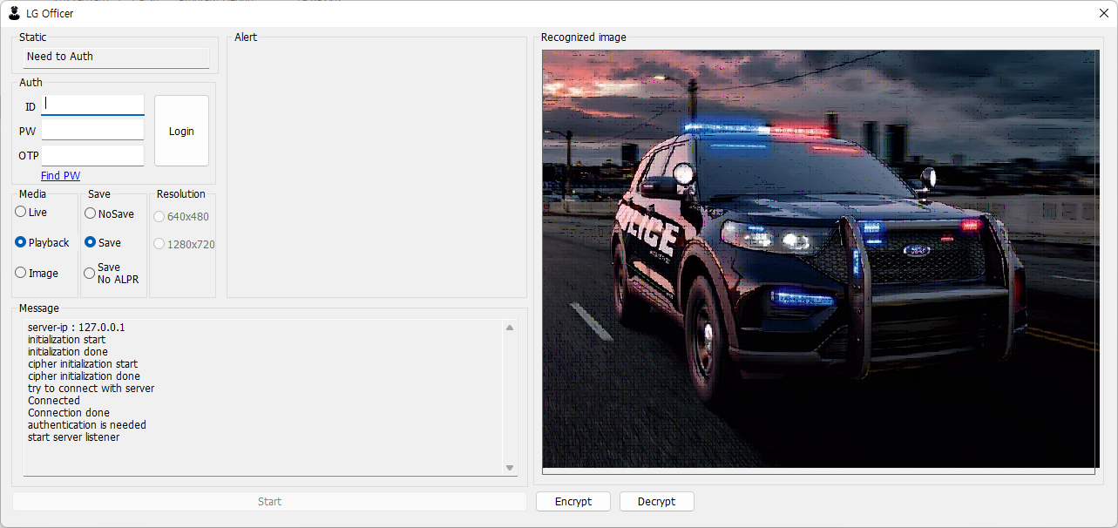
4 | How to we fuzz windows GUI Program? we only learn ZUFF tool for Linux and Mac OS only. Could you please advice to FUZZ for target app? | by hands https://github.com/grimm-co/killerbeez#windows https://kdenlive.org/en/2019/03/inside-kdenlive-how-to-fuzz-a-complex-gui-application/

 | [Target App UI] : made by MFC

